Design Constraints
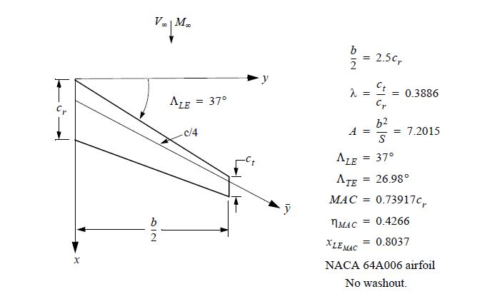
Initial Estimates 06 Feb 2017
Design Constraints
Crew | 2 Pilots to be included in dry weight of aircraft
 | 1 Stewardess
Cabin Seating | Max Range (Max Fuel): 8 + 1 jumpseat for Stewardess
 | Max Seating: 12 + 1 jumpseat for Stewardess
Range at Mach 1.6 | 4,500
Superosonic Cruise Mach Range | 1.6 - 1.8
Subsonic Cruise Mach Range | 0.9-0.95
Maximum Operating Mach Number | 1.9
Cruise Altitude | 41,000 - 49,000 ft
Service Ceiling | 51000 ft
Payload with Maximum Fuel (Max Range / Max Fuel Cabin Seating) | 2000 lbs

* aircraft must be stable in pitch without use of active controls

NACA 64A006 Airfoil Data See Project Handout, Appendix B, pg. 13

AeroCalc
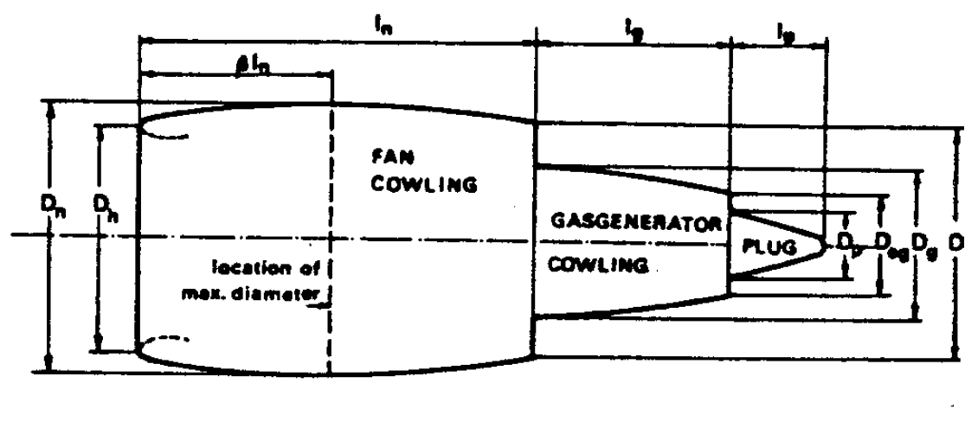
Altitude | Fuselage | Cowlings | Wings |  | Given
41000ft | 1228.3170542 |  |  |  | Parameter | Value | Units | Reference
42000ft | 1236.1872793 |  |  |  | Length | 90 | ft | SSBJ Sample Data Ratio Estimations
43000ft | 1244.1035178 |  |  |  | Fuselage Length | 42.17 | ft
44000ft | 1252.1117153 |  |  |  | Tail Empennage Length | 29.9 | ft
45000ft | 1260.1599266 |  |  |  | Nose Length | 17.93 | ft
46000ft | 1268.3007788 |  |  |  | Width (Fuselage Diameter / Cabin Diameter) | 8.5 | ft
47000ft | 1276.518572 |  |  |  | Aircraft speed for Mach1.6 | 1548.3297906 |  |  | mach | alpha
48000ft | 1284.794327 |  |  |  |  |  |  |  | 1.6 | 2.57
49000ft | 1293.1973503 |  |  |  | Dynamic Viscosity | 2.969E-07 | (lb s/ft2) |  | 1.7 | 2.78
 |  |  |  |  |  |  |  |  | 1.8 | 2.99
 |  | Parasite Dradg Coeff
Parasite Drag |  |  |  |  |  |  |  |  |  | Induced Drag and wave drag

 | Parameter | Value | Units
 | f(ld)(fusselage) | 305503.05223 | unitless
Cf (turbulent) | fm | 0.84185190612 | unitless (M=1.6) |  |  |  |  | 1
 | wetted area | 3186.1459352 | sqft
 | Area of wing | 1244.444 | sqft
 | f(ld)(engine) | 8.505 | unitless
Cf (laminar) |  |  |  |  |  |  |  |  | Appendix B Data | (mach 1.6)
 |  | Altitude | Density of Air | Reynold Number | Cf | Parasite of fuselage | Parasite Cowlings |  | Alpha | Cl | Altitude (ft) | dyanmic pressure | Lift (alpha=2) | Lift(alpha=3) | Lift(alpha=4) | Lift(alpha=5) | Lift(alpha=6) | Lift(alpha=7)
 |  | 41000ft | 0.0005598 | 262741502.13 | 0.0018653869011 | 1228.3170542 |  |  | 2 | 0.1011 | 41000 | 671.01130716 | 84422.139108 | 137363.4212 | 182288.35774 | 226712.27268 | 269950.43651 | 313389.00897
 |  | 42000ft | 0.0005336 | 250444561.52 | 0.001877339039 | 1236.1872793 |  |  | 3 | 0.1645 | 42000 | 639.60634781 | 80470.977899 | 130934.47937 | 173756.81974 | 216101.58753 | 257316.10025 | 298721.64199
 |  | 43000ft | 0.0005087 | 238757774.45 | 0.0018893610553 | 1244.1035178 |  |  | 4 | 0.2183 | 43000 | 609.75964979 | 76715.866674 | 124824.53084 | 165648.60232 | 206017.38677 | 245308.65854 | 284782.04513
 |  | 44000ft | 0.0004849 | 227587271.14 | 0.0019015227254 | 1252.1117153 |  |  | 5 | 0.2715 | 44000 | 581.2314806 | 73126.643896 | 118984.49971 | 157898.57925 | 196378.67278 | 233831.66606 | 271458.25375
 |  | 45000ft | 0.0004623 | 216979986.49 | 0.0019137451625 | 1260.1599266 |  |  | 6 | 0.32328 | 45000 | 554.1417065 | 69718.390335 | 113438.92394 | 150539.31365 | 187225.94437 | 222933.34547 | 258806.25017
 |  | 46000ft | 0.0004407 | 206842050.72 | 0.0019261082889 | 1268.3007788 |  |  | 7 | 0.3753 | 46000 | 528.25059497 | 66460.944453 | 108138.72762 | 143505.67927 | 178478.20395 | 212517.25146 | 246714.06976
 |  | 47000ft | 0.0004201 | 197173463.82 | 0.0019385882619 | 1276.518572 |  |  |  |  | 47000 | 503.55814601 | 63354.306251 | 103083.91076 | 136797.67611 | 170135.4515 | 202583.38402 | 235181.71252
 |  | 48000ft | 0.0004005 | 187974225.8 | 0.001951156259 | 1284.794327 |  |  |  |  | 48000 | 480.06435963 | 60398.475728 | 98274.473366 | 130415.30417 | 162197.68704 | 193131.74316 | 224209.17844
 |  | 49000ft | 0.0003817 | 179150466.89 | 0.0019639175322 | 1293.1973503 |  |  |  |  | 49000 | 457.52950329 | 57563.291349 | 93661.339535 | 124293.43721 | 154583.91297 | 184065.88355 | 213684.5029

http://faculty.dwc.edu/sadraey/Chapter%203.%20Drag%20Force%20and%20its%20Coefficient.pdf

http://adg.stanford.edu/aa241/drag/wettedarea.html

http://onlinelibrary.wiley.com/doi/10.1002/9781118568101.app1/pdf

Torenbeek appendix b

